QAQC
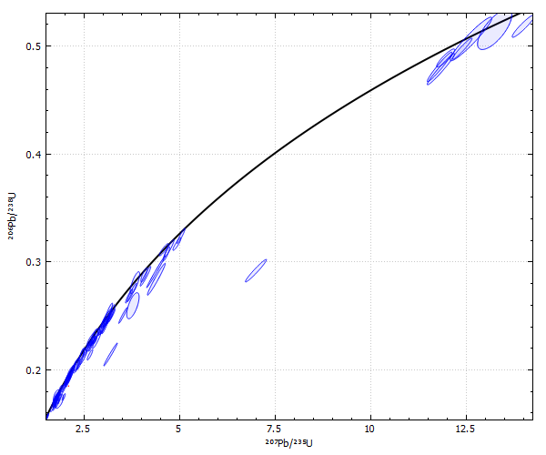
Concordia Age
AllowableDifference | 5
Conf | 0.95
GroupName | Egan_564_0_
TW | false
UseProp | false

